Table1
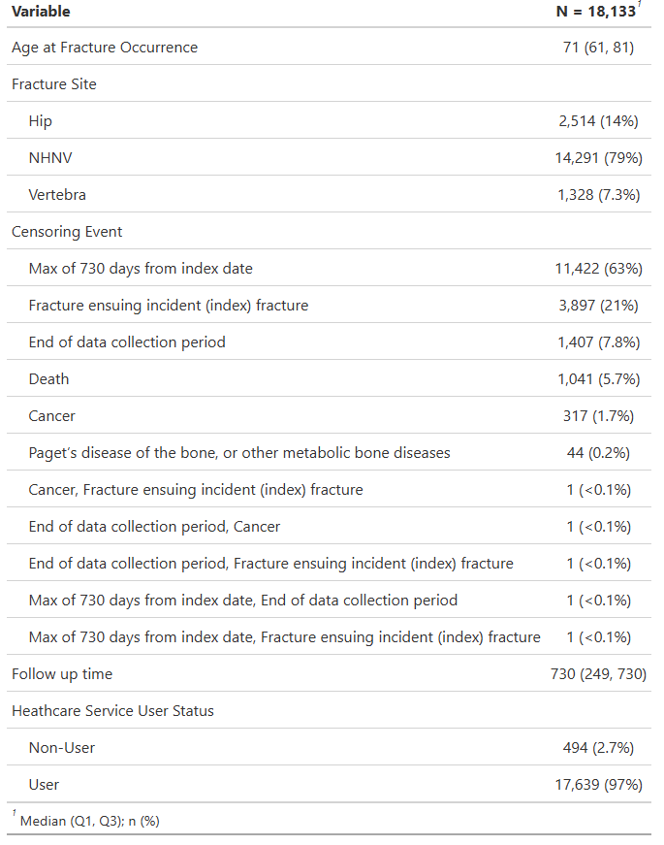
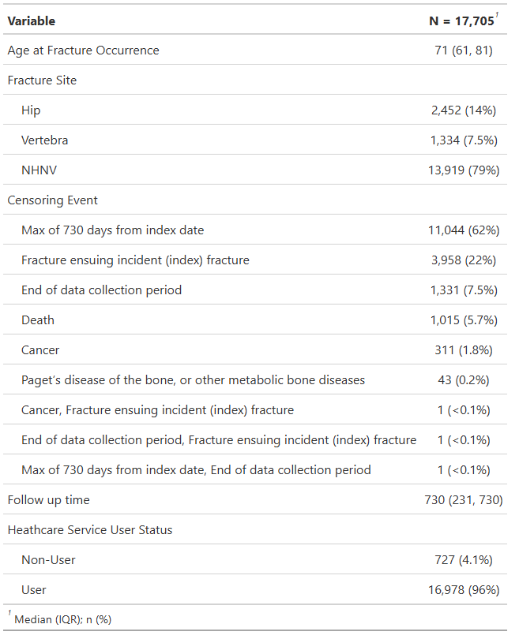

ComparisonAnalysis
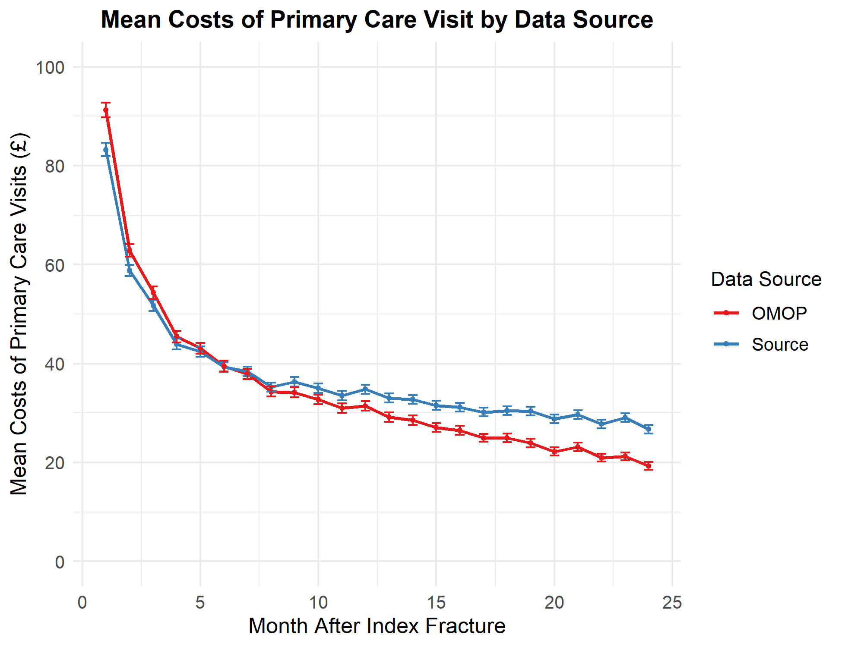
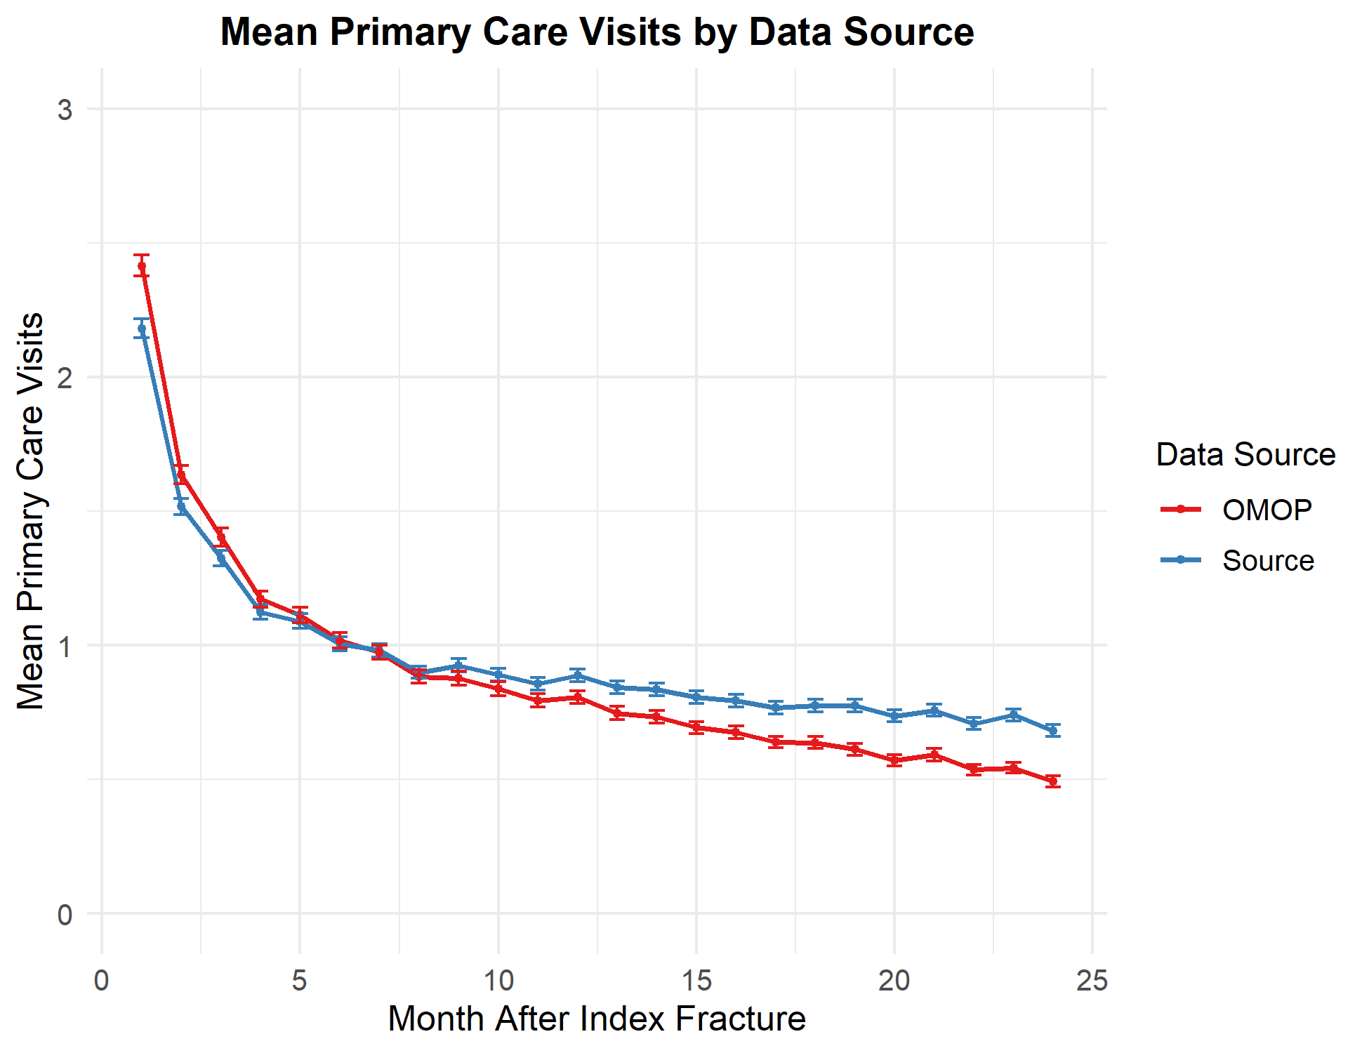
 | OMOP |  |  | OMOP
Source | No | Yes | Source | Non-User | Not in OMOP | User
No | - | 279.00 | Non-User | 424 | 12 | 58
Yes | 707.00 | 17,426.00 | Not in Source | 11 | - | 268
 |  |  | User | 292 | 695 | 16,652

 | Unadjusted

MonthlyPlots
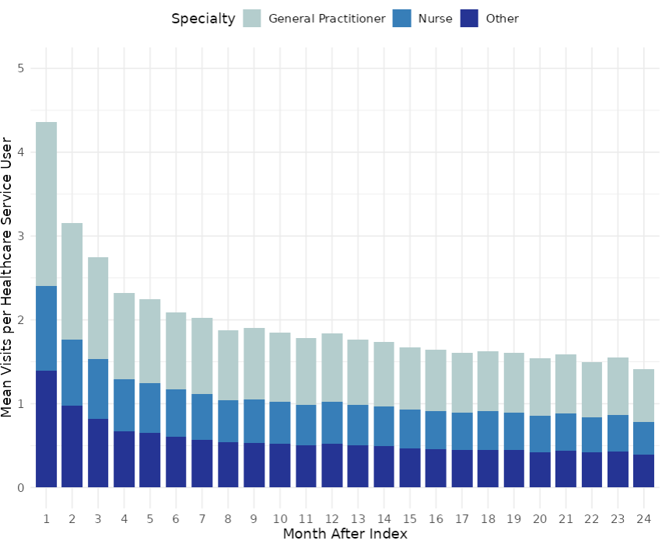
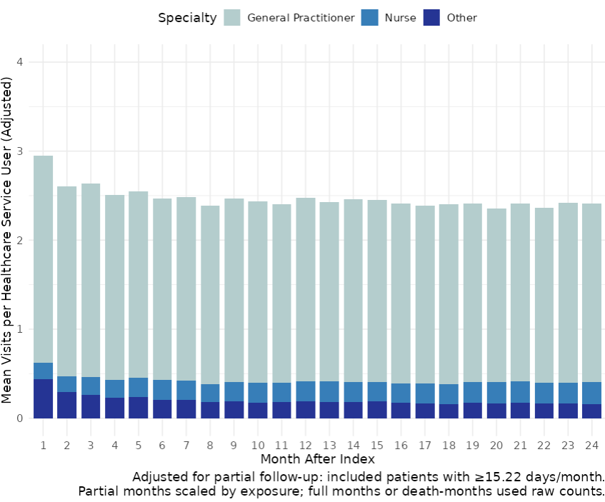

TBC!! why the mean in unadjusted seem higher than adjusted, yet the overall is the opposite?

